Formulation
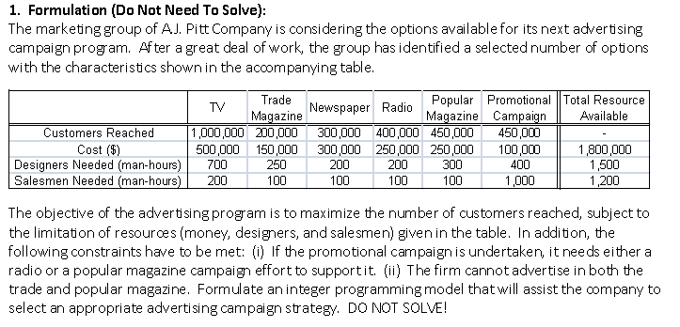
 |  | TV | Trade Magazine | Newspaper | Radio | Popular Magazine | Promotional Campaign
Coef |  | 1 | 0 | 1 | 1 | 1 | 0 | MAX | Obj. Cell | 2,150,000
 | Customers Reached | 1,000,000 | 200,000 | 300,000 | 400,000 | 450,000 | 450,000

Constraints |  | x1 | x2 | x3 | x4 | x5 | x6
 | Cost | 500,000 | 150,000 | 300,000 | 250,000 | 250,000 | 100,000 | 1,300,000 | <= | 1,800,000
 | Designers Needed (man-hours) | 700 | 250 | 200 | 200 | 300 | 400 | 1,400 | <= | 1,500
 | Salesmen Needed (man-hours) | 200 | 100 | 100 | 100 | 100 | 1,000 | 500 | <= | 1,200

